about us
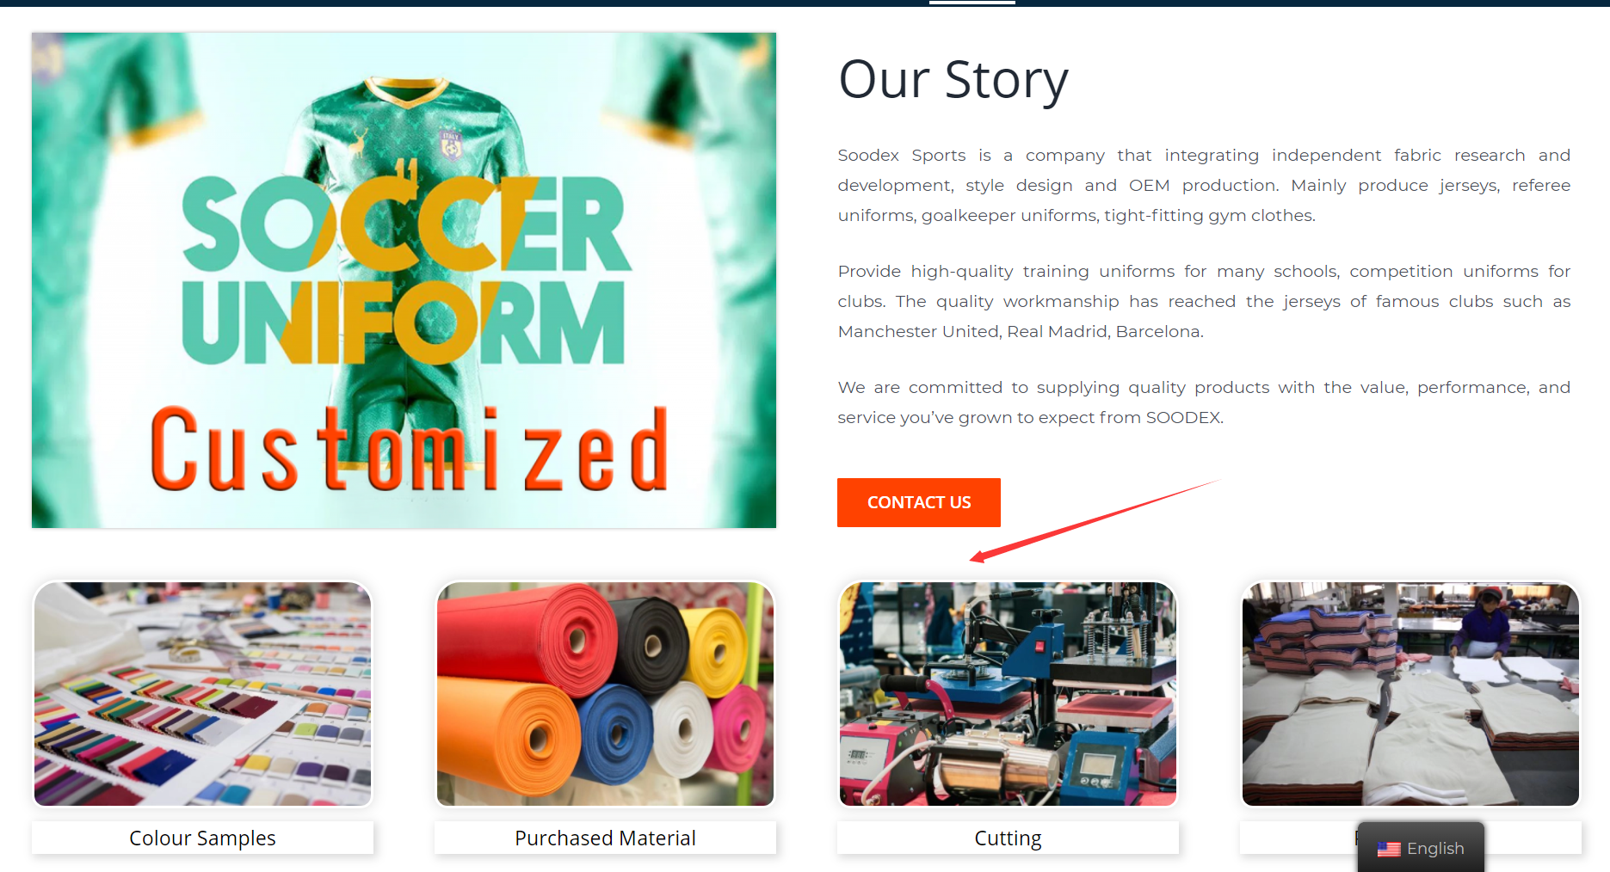

1 | between "contact" us and below photo, I need a separate line like the "service"
2 | name below photo part "Our Production"

3 | I've send you the psd format file, please change the front and back logo to "SOODEX" and put here
4 | These 8 photos' text part, make the text bigger, use the fonts as same as below

5 | the photo is wrong, also some text is wrong, see below I sent you
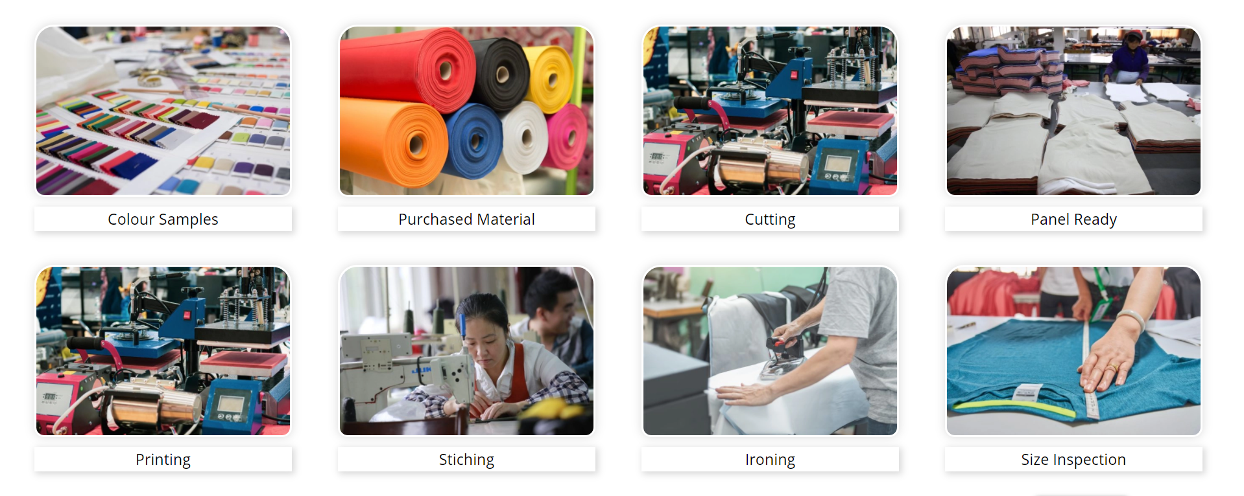

6 | this line should be a circle like point 1
7 | Cooperation Brands
8 | change coca-cola and Guinness logo, I've sent you in whatsapp yet

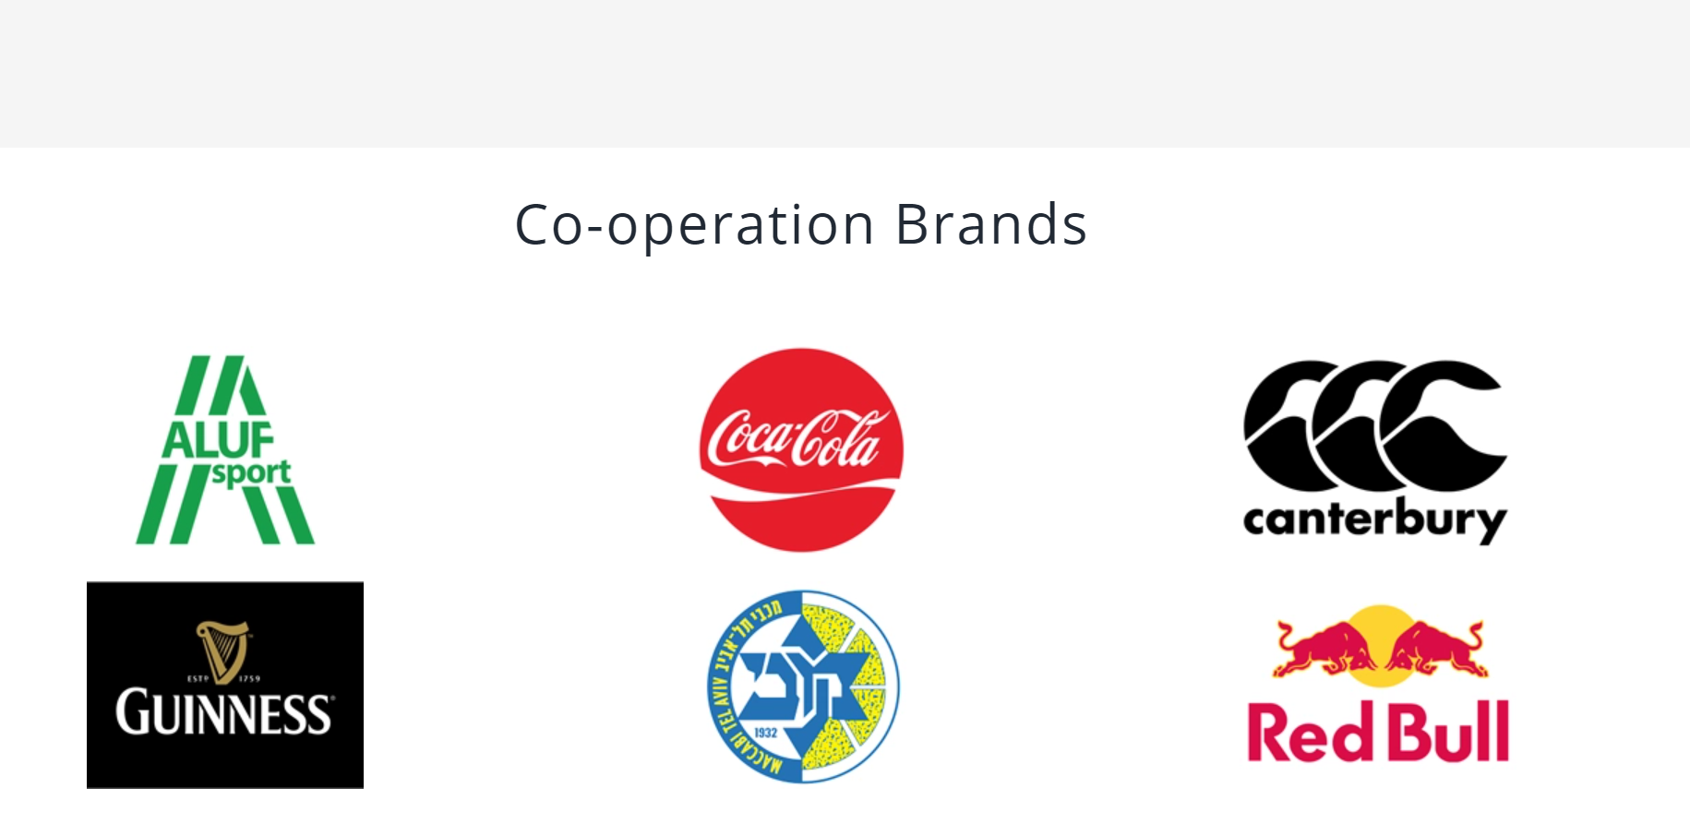

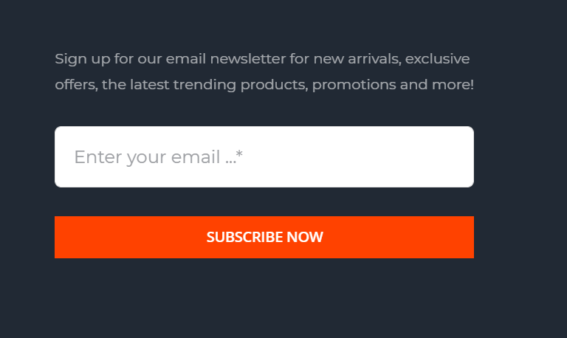
 | for all pages below
9 | delete these text
10 | this part put a form just like the contact us include" Name" "Email" "Message", as same as contact us

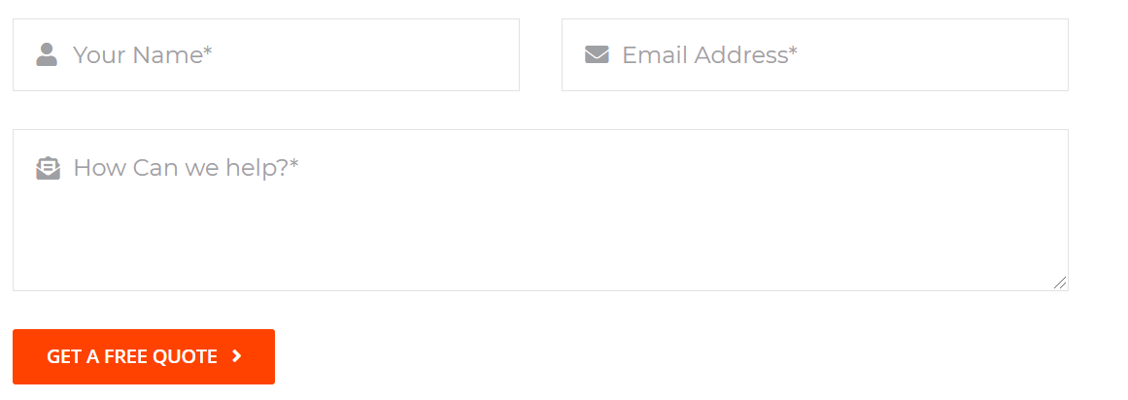


11 | add a button "Know More" , link to "about us" page

12

contact us
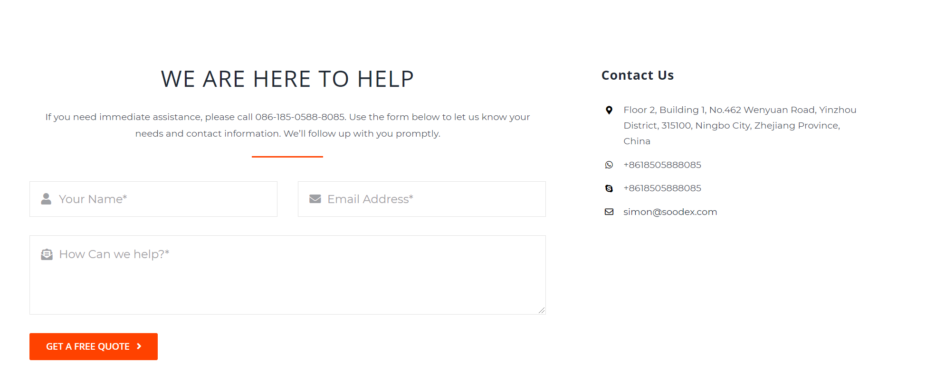
1 | left part and right part should be same high,
2 | "Contact Us" change to" CONTACT US";
3 | Change to " Thanks, we will get back to you in 1 day."
4 | add a map block
5 | left part text make little bigger
6 | delete all these small part text
7 | make the simon@soodex.com fonts bold
8 | the whole contact chart should be shown in one page, no need to roll down(exclude map)

other
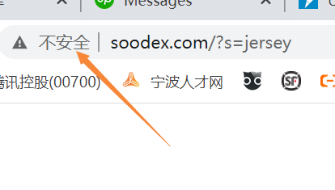
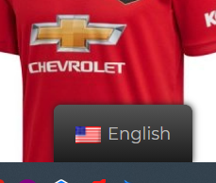
1 | what's the english button use? all my web is english, so no need this
2 | for all pages, I need add a Live chat window ，which one is useful? please advise
3 | the chorme browser show my web is not safe, how to make it show safe?

